Info
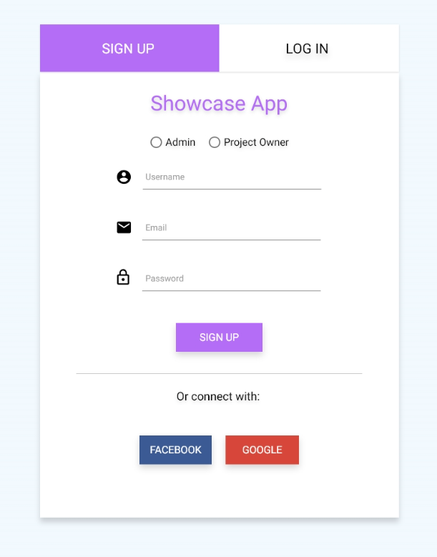
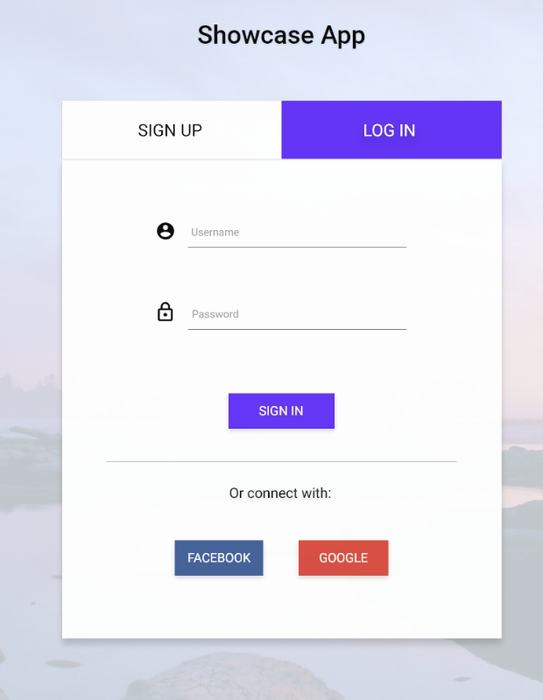
Project Name | 2023-24 Testing Bootcamp
Designed By | Leona Drha Rodriguezova
Test environment | Android 12, iOS 13, Wi-Fi
Delivery date | 2024

